Randstad Qs
if client have holiday and not randstad, what?
How much % of medical/vision/dental will share?
who are al insurance provider? Pls provide me an options? |  | New Jersey | Charlette |  |  | 12074.94 | 493.14 | 11581.8
can I do WFH/work from remote option?if client said ok? | Salary | 110094 | 120000 |  |  | 12181.34 |  | 11688.2
when will I know if my contract is going to end? | 1 month Grosssalary | 9174.5 | 10000
can u able to deposit in 2 chcking account? | 1 month Net Salary | 84144 | 96000
work location? | Federal Income Tax | -460.13 | -597.6
how many months a contract? Pls share that document. | Social Security Tax | -275.89
can I have any meeting with team before join? | Medicare Tax | -64.53 | -72.5 |  |  |  |  | Less Benefits and Less Growth
I need the list of document to initaite my green card. | State Income Tax (AZ + NJ) | -140.18 | -274
any contacts who worked for randstad in charlette? |  | -940.73 | -944.1
to whom I need to report? | Medical | -112.5 | -260
time card entry process? | Vision | -5.25 | -10 |  |  | Trizetto | Randstad
after joined who will be my point of contact? Is a single/multiple point of contact? | Dental | -22 | -30 |  |  | Unlimited PTO | 8 days per year
How the evaluation will happen, usually how muct salary increase? Any bonus? |  | -139.75 | -300 |  |  | 6.4% binus
relocation policy? |  |  |  |  |  | Medial
Paid Sick Leaves |  |  |  |  |  | Vision
Paid Holidays |  | Annual | Monthly | Take Home |  | Dental
Paid Vacations | TCS | 66899.52 | 5574.96 | 4470.47 |  | 401K
How much they offer you and how much they pay you extra? | EWS | 79638.48 | 6636.54 | 4744.6
How big is this company and total employees? | CTS | 110094.48 | 9174.54 | 7012
is it mandatory to take company insurance? How much company is contributing? | RT | 120000 | 10000
is my petition will be filed as premium?
who will pay my GC process fee, if I have to pay after PERM, how much is a cost?
What is the bench period?

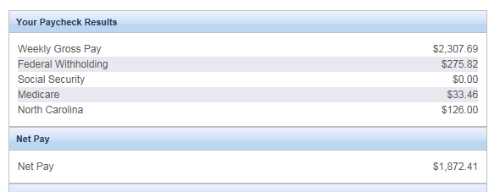

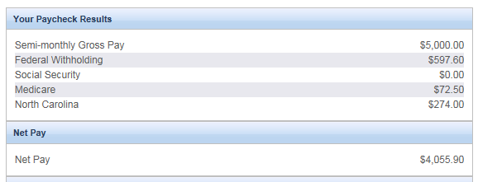
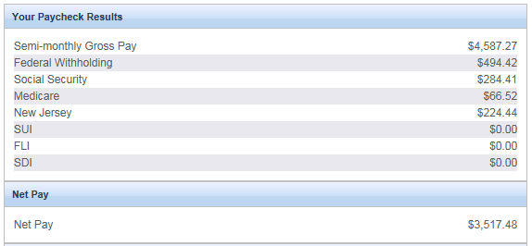

NJ |  | NJ | CT
 | Salary | 7012 | 8000 | 988 | 1467
 | Rent | -1500 | -1300 | 200
 | Grocery | -1000 | -800 | 200
 | Gas | -100 | -60 | 40
 | Loan | -900 | -900 | 0
 | Taxes | 940 | 740 | 200
 | Insurance | 139 | 300 | -161
 | Internet | 50 | 50 | 0

Qs
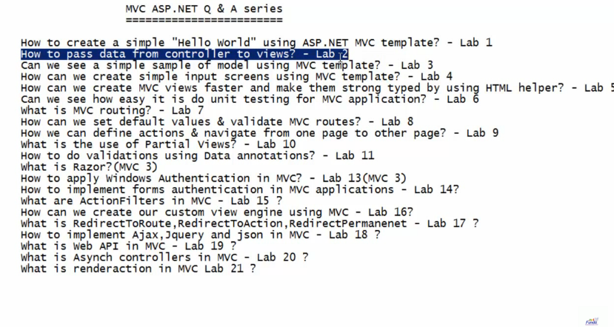

Total Technical Qs | 250
Total Behavioural Qs | 20

P&M
WIX Installer | How to send email after drop? |  | Challenges
Tools Path | details in the drop email? | NOTES | Debugging application
How to set solution explorere select the current file | Branch Details | if dropped for testing, send an email as please ignore below drop
SQL 2014, SQL Server 2012, sql data tool | Environment Details
Visio | Release Details and standards
Resharper | Clients Details
Powershell | No of product and its responsibilities
Automatic Environment setup - for local debugging | Database Credentials
TRR Automation Tool | Architectures
File Formats | Technolody used / To Know | Release Planning
Sprint Dropp Details - URL | Email Setup | Breaking Session
Book mark all urls. | Docking Session | Day 0
Code Review Assistance | Code Freeze Process | Grooming
Checkin - NA | All email templates
Drop and Release folders | Branch Details
 | Installer Path Details
 | CMS Documents
 | Triwiki links |  | https://tms-dev.abn-tms-app-d09.dev.trizetto.com:44330/tms/
 | Email Signatures |  | https://doc.trizetto.com/display/T3TMS/5.40+R3+-+Sprint+5
 | share point link |  | \\dev.trizetto.com\dfs\release_management\Development
 | Hackathon | TRR | \\dev.trizetto.com\dfs\release_management\Development\Tools\NodeJS
 | Terms - offcycle | Analyze Log - Tool | Tools for debugging or analyzing logs: 1) Remote Debugging using Visual Studio a. \\dev.trizetto.com\dfs\release_management\Development\Tools\remotedebugging_setup_x64.exe b. This is used only by the SE for dev server debugging in case logs are not useful 2) Baretail: a. \\dev.trizetto.com\dfs\release_management\Development\Tools\baretail.exe b. This can be used by SE and QA to view logs in color coded for easy analysis 3) Kibana: a. \\dev.trizetto.com\dfs\release_management\Development\Tools\kibana-5.0.0-windows-x86.zip b. This can be used by SE and QA to view the activity logs for easy analysis If you have any doubt while using the above tools then refer to the video recording uploaded at: https://doc.trizetto.com/pages/viewpage.action?pageId=153299105
Current Release - R4 (Main Branch) - that is current work |  | Interactive and non inetractive report.
R3 - 5.40.003.000 (5.4 -- major version) 003 (release no) each major version will have 4 releases .000 --> off cycle hot fixes eg: 5.4.001.001 majr release - 5.4 release - 000 hot fix - 001 |  | Report change | Please look into this tool for improve debugging, and let me know if you think it can be any help for you. https://oz-code.com/ | Set-ExecutionPolicy Unrestricte
 |  | Template change
Lync - Contacts and Groups |  | MS Reports
Team Structure with Photo |  | Report Template |  | while taking latest from TFS
Request a Change Control What and How? |  | HO wmany characters
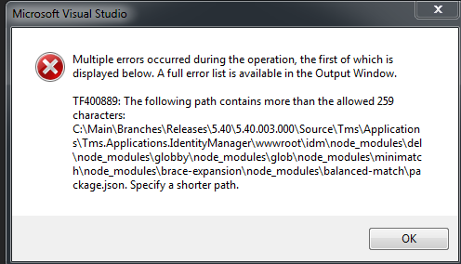
Code I R3 and merge in Main branch! |  | How many DB objects for each product?
Story Points - 3 < 1 day 5 = 1 day 8 = 3 days |  | Mitigation Plan
DLM - Monthly Data Load |  | Buld process
 |  | Regression
File Listener
SSIS
SSMS
Reports
Auto Shelveset
windows Dbg - Debugging

